Guide
Asked for | Where to find within a report | Screenshot where to find | Alternative
1.Company Legal Name | on the Title Page of the report Or In Section 1 of the report, first sentence | 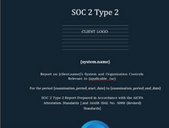
2.Company Location | Most likely not within the report. Search for Headquarters within the company website, or on a Master Service Agreement (MSA). Important to check due to regulatory compliance, jurisdictional risk, data sovereignty, political and economic stability, and business continuity planning. | n/a, not within SOC report. | n/a, not within SOC report.
3.What services of the company we are using | Check within the Statement of Work (SOW) or Master Service Agreement (MSA) Very important to check so you can ensure that product/services you are using from a Company actually are covered within provided SOC report. | n/a, not within SOC report. | n/a, not within SOC report.
4.Our Data types processed or stored by company | Check within the Statement of Work (SOW) or Master Service Agreement (MSA). Very important to ensure that you understand what kind of data type will be processed or stored by the subservice provider. | n/a, not within SOC report. | n/a, not within SOC report.
5.Type of a report | On the Title Page of the report, you can find the Type of report (SOC 1 or SOC 2, Type 1 or Type 2). If it is Type 2, it will have language throughout about “examination period”. Type 1 will have the language "as of {date}” | n/a, not within SOC report. | n/a, not within SOC report.
6. System Name | In Section 1 of the report, first sentence Or (more information) in Section 3 of the report, first paragraph | 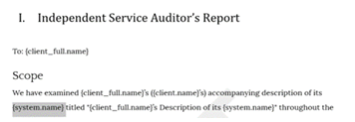
7. Trust Services Categories | In Section 1, under Scope - red circle in screenshot, don’t get confused by the boilerplate language listing all possible criteria (red x). There are 5 categories of criteria possible for a SOC 2, including Security, Availability, Confidentiality, Processing Integrity, and Privacy. | 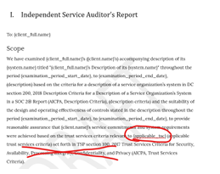 | N/A
8.Auditor’s name | In Section 1, on the end, there is the auditor's signature. Important to verify they have a current CPA firm license on CPA Verify - https://app.cpaverify.org/search | 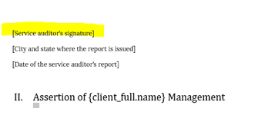 | N/A
9.Auditor’s opinion | In Section 1, Section called 'Opinion'. There might be four types of opinion issued by the Auditor: a. Unqualified Opinion, This is issued when the service auditor concludes that the description of the system is fairly presented, the controls are suitably designed, and, in the case of a Type 2 report, that the controls operated effectively throughout the specified period. How to Identify: you'll find language like: "The controls stated in the description were suitably designed ..." "The controls stated in the description operated effectively throughout the period …" b. Qualified Opinion, This is issued when the service auditor concludes that, except for the effects of certain matters, the description of the system is fairly presented, the controls are suitably designed, and (in the case of a Type 2 report) that the controls operated effectively throughout the period. How to Identify: you'll find language like: “In our opinion, except for the effects of the matter(s) described in the Basis for Qualified Opinion paragraph..." c. Adverse Opinion, This is issued when the service auditor concludes that the description of the system is not fairly presented, the controls are not suitably designed, or (in the case of a Type 2 report) that the controls did not operate effectively. How to Identify: you'll find language like: "The controls stated in the description were NOT suitably designed [...]" "The controls stated in the description DID NOT operate effectively throughout the period." d. Disclaimer of Opinion: This is issued when the service auditor is unable to obtain sufficient appropriate evidence to provide a basis for an opinion. | 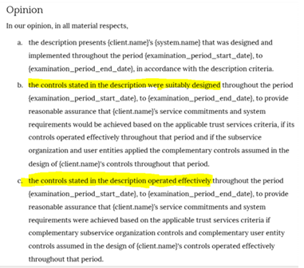 | N/A
10.Date of Auditor’s opinion | In Section 1, at the end there is a date of the service auditor's report. This date indicates when report was issued (different than examination period). This date helps determine whether the report is current and relevant to your assessment, and if it was issued within a reasonable time from the end of examination period. It can help you assess whether there was a delay in issuing the report, which could raise concerns about the accuracy or completeness of the findings. |  | N/A
11.Examination Period | In Section 1, under Scope Or Title page Examination Period refers to the specific timeframe during which the service organization’s controls were assessed by the auditor. | 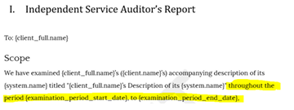
12.Exception noted by Auditor | In Section V (Other Information) – look for a table of exceptions. Not all audit firms include it here. Or In Section IV – scroll through the Auditor’s Test of Controls table and review the Results of Testing column. If there are exceptions, it will say “Exception noted,” “Deviation noted,” or provide a description of the issues identified, as opposed to the standard “No exceptions noted.” If there are exceptions, review these to determine if your business is relying on any of those controls with issues, and if additional work may be needed. |  | IV. Trust Service Category,Criteria,Realted Contros,and Test of Controls.
13.Complementary Subservice Organization | fI applicable, located in Section 1, under Scope, paragraph 2. Or In Section 3, under Subservice Organizations section, toward the end. Determine whether any subservice organizations are “carved out” of the report’s scope and assess how this impacts the level of assurance you receive from the report. Alternatively, check if any subservice organizations are marked as "Inclusive." If the CSOCs are "carved out," they are EXCLUDED from the scope of the main service organization's report (the company that the SOC report is about). This means the reader does not receive any assurance over those controls. The reader must either obtain the subservice organization’s report independently, place blind trust in the subservice organization, or rely on the main service organization’s vendor due diligence controls to ensure comfort. | 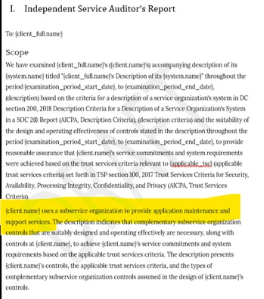
14.Complementary Subservice Organizations Controls (CSOCs) | If applicable, located in Section 3, toward the end there will be a CSOC listed, within a table (if any). CSOCs refer to controls that are implemented by subservice organizations (third-party vendors or service providers) that the main service organization (the company that the SOC report is about) relies on to meet its own control objectives. These controls are outside the direct control of the main service organization but are necessary for the main service organization's controls to be effective. What to do: See page CSOCs | 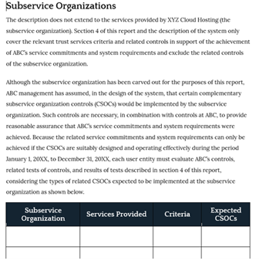 | N/A
15.Complementary User Entity Controls (CUECS) | If applicable, located in Section 3, toward the end there will be CUECs listed, within a table (if any) some reports will not have it, e.g. example in column D. CUECs are controls that the service organization assumes will be implemented by its user entities (your organization) to meet the control objectives. These controls are outside the scope of the service organization's responsibility and need to be implemented by the user entity. What to do: See page CUECs |  | N/A
16.User Entity Responsibilities (UERS) | If applicable, located in Section 3, toward the end there will be a UER listed, within a table (if any) some reports will not have it. UERs are broader responsibilities that the user entity (your organization) must fulfill to effectively use the service provided. These responsibilities may include things like managing user accounts, maintaining the security of user endpoints, or configuring the service in a secure manner. What to do: See page UERs | 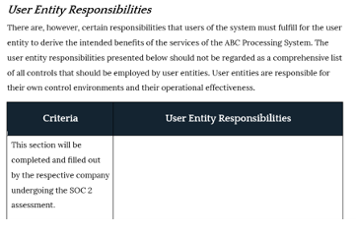 | N/A
17.Section 3 – System description, key components | Review the beginning of the System Description to ensure that the scope described aligns with your company’s reliance on the company you are evaluating (e.g. make sure they didn’t focus the scope of this report on a certain business unit and exclude the business unit that your company relies on). | 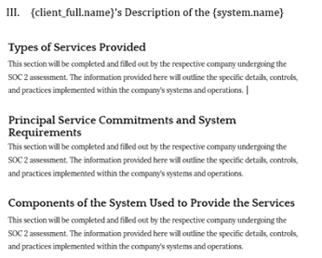 | N/A
18.Conclusion | Conclude what you identified within the report such as "The report provides satisfactory assurance over our reliance of the core functional areas of information security for the company and examination date(s) noted. We noted the report was not sufficient to cover the following functional areas and we will follow up with the company regarding: ABC. The following items will be added to our risk register: XYZ." | n/a | N/A
19. Preparer, Date | Person who performed this SOC 2 Review | n/a | N/A
20. Reviewer, Date | Person who reviewed this SOC 2 Review | n/a | N/A
21. Business Continuity: | In Section 3 of a report, called - System Description or in Section 4, as a control statement. Use Search (CTR+F/ Command (⌘) + F) | n/a | N/A
22. Incident Response: |  | n/a | N/A
23. Human Resources Policies: |  | n/a | N/A
24. Anonymous Reporting/Ethics Reporting/Whistleblower Hotline: |  | n/a | N/A
25. Risk Assessment and Mitigation Controls: |  | n/a | N/A
26. Logical Access Authentication: |  | n/a | N/A
27. Logical Access Periodic Review: |  | n/a | N/A
28. Onboarding/ Termination Protocols: |  | n/a | N/A
29. Data Inventory: |  | n/a | N/A
30. Encryption at Rest or During Storage: |  | n/a | N/A
31. Encryption During |  | n/a | N/A
32. Change Management Policy and Controls: |  | n/a | N/A
33. Firewalls/IPS/IDS/SIEM: |  | n/a | N/A
34. Network Testing: |  | n/a | N/A
35. Data Backup/Replication: |  | n/a | N/A
36. Third-Party Monitoring: |  | n/a | N/A

